Single 0
 | Calculation for 2021 taxes
1a | Taxable Wages | $3,848.49
1b | # Annual Pay Periods | 12
1c | Multiple 1a & 1b | $46,181.88

Did the employee sign new W-4? |  | Y

Complete 1d-1i if employee submitted new 2020 W-4
1d | 4(a) from form W-4 | $0.00
1e | Add lines 1c & 1d | $46,181.88
1f | 4(b) from form W-4 | $0.00
1g | Enter 12900 for married or 8600 otherwise | $8,600.00
1h | Add lines 1f & 1g | $8,600.00
1i | Subtract 1h from 1e (if zero or less, enter 0) | $37,581.88
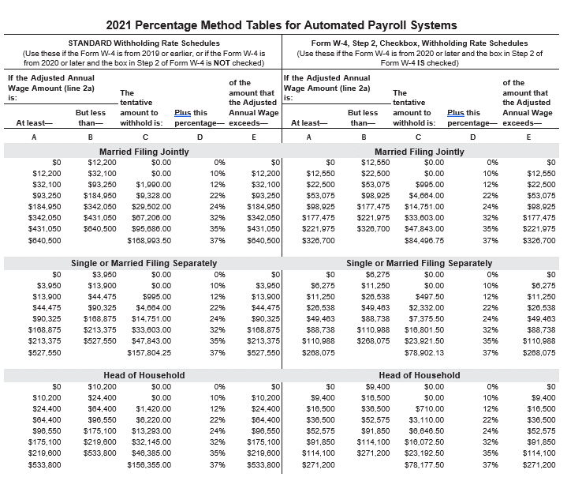
 | OR
Complete 1j-1l only if no new W-4 received
1j | # of allowances on most recent W-4
1k | Multiply 1j by $4200
1l | sSubtract line 1k from 1c.

2a | Enter amount from line 1i or 1l above | $37,581.88
2b | Enter column A from chart | $13,900.00
2c | Enter amount from column C of that row | $995.00
2d | Enter percentage from column D of that row | 12.00%
2e | Subtract line 2b from line 2a | $23,681.88
2f | Multiply line 2e by 2d | $2,841.83
2g | Add lines 2c and 2f | $3,836.83
2h | Divide by number of pay periods (line 1b) | $319.74

3a | Enter amount from Step 3 of form W-4 | $0.00
3b | Divide line 3a by 1b | $0.00
3c | subtract 3b from 2h | $319.74

4a | Enter amount from Step 4c from form W-4 | $0.00
4b | Add 3c and 4a. This is the withholding amount | $319.74

